1. Title Page
[Instacart Grocery Basket Analysis]

Instacart Grocery Basket Analysis
17.07.2024
Yu-Ann Chen

Contents:
Population Flow
Consistency checks
Wrangling steps
Column derivations
Visualizations
Recommendations

Data Citation: "The Instacart Online Grocery Shopping Dataset 2017", Accessed from www.instacart.com/datasets/grocery-shopping-2017 via Kaggle

2. Population Flow
Title page

Population flow

Exclusion flag
Condition: max_order < 5
Obervations to be removed: 1440295
Final total count of order_products_all: 30964564

Orders_products_combined
Orders_products_merged
Orders_products_all

Total: 32404859
Total: 32434489
Total: 32404859

1.) The grey boxes in the first row of the population flow represent the original data sets as they were when you downloaded them. In the Total fields you need to add the count of the rows when you imported the data set into Jupyter.
2.) The second row of boxes (coloured) represents the data sets after you manipulated them, e.g., removed missing values and duplicates. In the Total fields you need to add the count of the rows after conducting these operations. This offers a visual oveview of how the data flows throughout the data consistency checks.
3.) The third row, where also the arrows are coloured, represents the merges you performed between the datasets. In the Total fields you need to add the count of the rows in the merged datasets, so that you end up with the final dataset (in the red box). Keep in mind the final dataset should be without exclusions (based on the exclusion flag).

3. Consistency checks
 |  |  |  | Title page
Consistency checks

Dataset | Missing values | Missing values treatment | Duplicates
orders | 206209 missing values | Replaced with mean of the column | No duplicates found
products | 16 missing values | Removed | 5 duplicates found and deleted
orders_products_prior | No missing values found |  | No duplicates found
customers | No missing values found |  | No duplicates found

4. Wrangling steps
 |  |  |  | Title page
Wrangling steps

Columns dropped | Columns renamed | Columns' type changed | Comment/Reason
eval_set |  |  | It has one value: prior and is irrelevant to the project
 | order_dow --> order_day_of_week |  | The column is not easy to understand
 |  | order_id | There's no need to calculate statistics for order_id so it's changed to string
 |  | user_id | There's no need to calculate statistics for user_id so it's changed to string
 | order_number --> number_of_order |  | It's less confusing

5. Column derivations
 |  |  |  | Title page

Column derivations and aggregations

In this tab you should add tables below that the frequences of flags/label variables that you produced after deriving them. NB: don't do this for continuous variables, only for flags.
Dataset | New column | Column/s it was derived from | Conditions
ords_prods_merge | price_range_loc | prices | High-range product, Mid-range product, Low-range product
ords_prods_merge | busiest_day | orders_day_of_week | Busiest day, Regular busy, Least busy
ords_prods_merge | busiest_days | orders_day_of_week | Busiest days, Regular busy, Least busy
ords_prods_merge | busiest_period_of_day_loc | order_hour_of_day | Most orders, Average orders, Fewest order
ords_prods_merge | loyalty_flag | max_order | Loyal customer, Regular customer, New customer
ords_prods_merge | spending_flag | average_prices | High spender, Low spender
ords_prods_merge | order_frequency_flag | median_days_since_prior_order | Frequent customer, Regular customer, Non-frequent customer
ords_prods_all | exculsion_flag | max_order | Regular activity, Low activity
ords_prods_all | age_flag | age | Young customer, Elder customer, Regular customer
ords_prods_all | income_flag | income | Lower-than-average income, Higher-than-average income
ords_prods_all | n_dependant_flag | n_dependants | No dependant, Low dependant, Medium dependant, High dependant

6. Visualizations
 |  |  | Title page

Visualisations

In this tab you should include all the visualtions from Exercises 4.9 and 4.10, alongside the questions from the project brief that they answer. Include any commentary on the relationship between different variables.



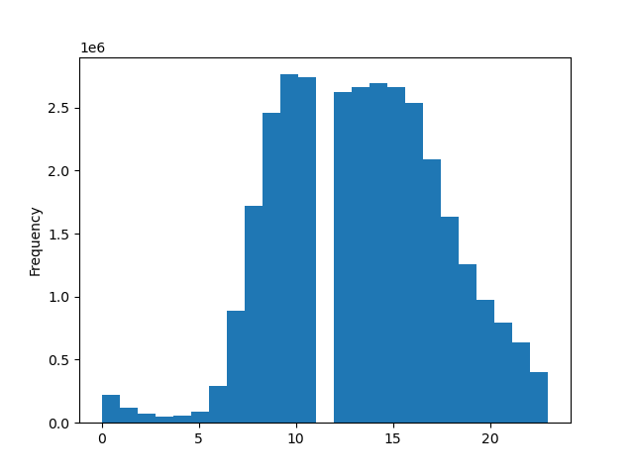
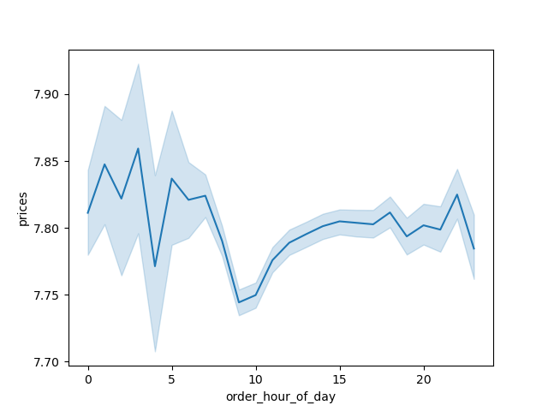

Bar chart: Orders day of week | Bar chart: Loyalty flag (Regular, Loyal, New customer) | Histogram: Distribution of order of day |  | Line chart: Price & Order hour of day

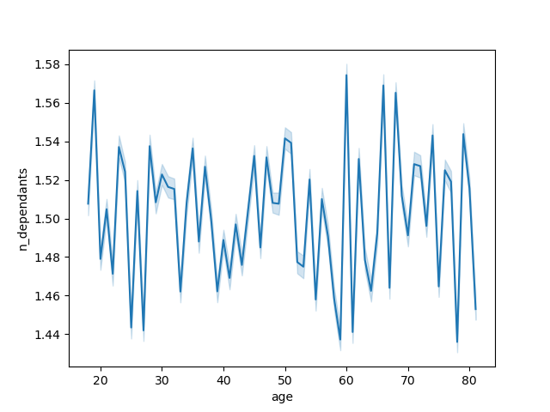

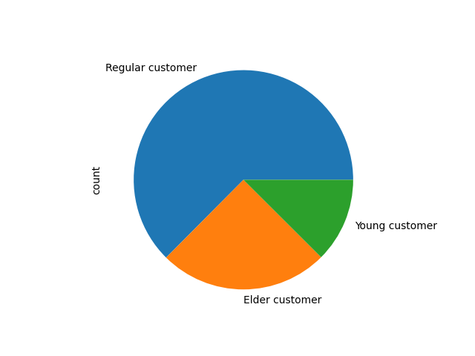
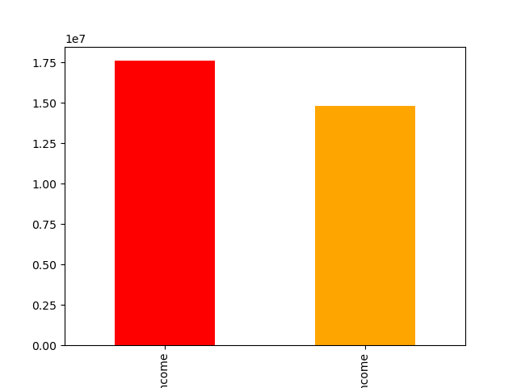

Line chart: Age of customer & | Scatterplot: Customer's age & income | Pie chart: Proportion of young, regular, elder customers |  | Bar chart: Lower- and Higher-than average income
Customer's number of dependants

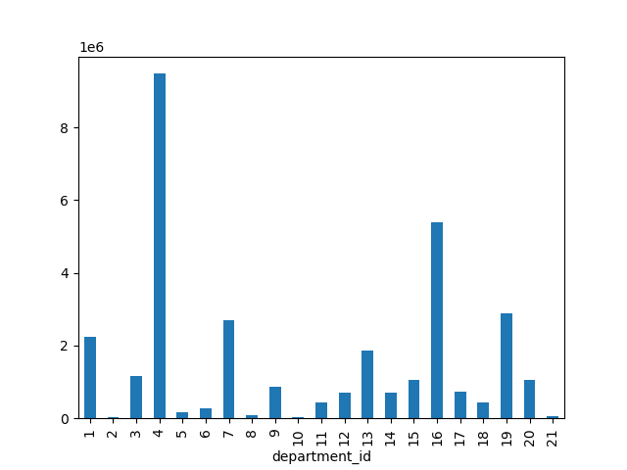
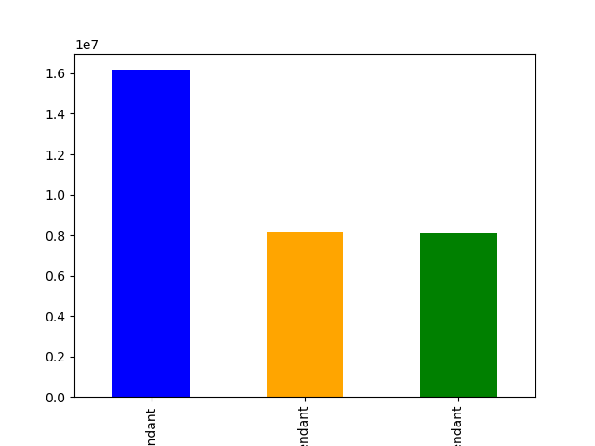

Bar chart: Distribution of different departments | Bar chart: Number of dependent flag (Regular, high, no dependent)

7. Recommendations
 |  |  |  |  |  |  |  | Title page

Recommendations

In this tab you should include any recommendations you would made to Instcart in terms of their marketing strategy based on the questions posed in the brief. Every key question has been covered in the Tasks of the Exercises - here you need to add an item - a visualisation or table/crosstable that is showing the answer in the data, acompanied by a comment from you. Please, list the questions below and add the answer underneath.

Question |  |  | Answer
1. What are the days and times with the most orders? |  |  | The busiest days of the week are Saturday and Sunday. The busiest hours of the day are 10-16.
2. Are there particular times of the day when people spend the most money? |  |  | The prices are the highest at around the first three hours of the day. They are at the lowest around 8 to 9 o'clock during the day.
3. Use simpler price range groupings |  |  | A price_range column is derived, where products are categorized as high-range, mid-range, and low-range
4. Are there certain types of products that are more popular than others? |  |  | Yes, according to the frequency of orders by departments, the top 3 popular products are produce, dairy eggs, and snacks (department_id 4, 16, 19).
5. What's the distribution among users in regards to their brand loyalty? |  |  | There are more regular customers than loyal customers than new customers.
6. Are there differences in ordering habits based on a customer’s loyalty status? |  |  | Loyal customers show a strong preference for ordering on Sundays. New Customers are most active on Saturdays and least active on Wednesdays. Regular Customers follow the overall trend of higher weekend activity, with a significant peak on Saturdays. All customer groups show higher ordering activity on weekends compared to weekdays: Saturday is the most popular day for all customer groups: It's the peak day for new and regular customers, while for loyal customers, it's Sunday.
7. Are there differences in ordering habits based on a customer’s region? |  |  | In general, the numbers of orders across regions are different because of the population difference, but the order habits are not so different: Saturdays and Sundays are the busiest days and midweeks are the least busiest in all four regions
8. Is there a connection between age and family status in terms of ordering habits? |  |  | There is no strong connection between age and family in terms of ordering habits.
9. What different classifications does the demographic information suggest? |  |  | Most of the customers are between 26-65 years old. More than half of the customers have lower-than-average income. Most of the customers have normal amount of dependents (between one to 2).
10. What differences can you find in ordering habits of different customer profiles? |  |  | Given that department_id 8 is pet goods and department_id 18 is baby products, and the two categories show two specific groups of people, pet owners and parents, the tables of counts show that regular-age customers (26-65) are the primary buyers of both pet goods and baby products. Lower-than-average income customers slightly favor both pet goods and baby products. In addition, customers with dependents (both regular dependents and high dependents) are the main buyers of baby products, while those with dependents also favor pet goods, but not as overwhelmingly.)
 |  |  | Loyal customers' reorder rate is much higher than regualr customers and new customers. New customers' reorder rate is the lowest.
 |  |  | None of the loyal customers are non-frequent customers.

 | Question 1 |  |  | Question 2

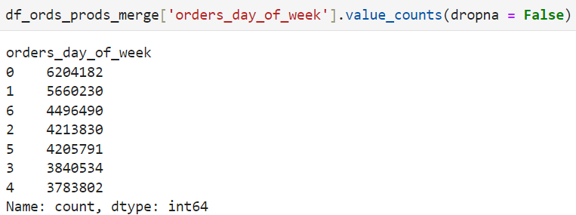

 |  |  |  |  |  |  | Question 5

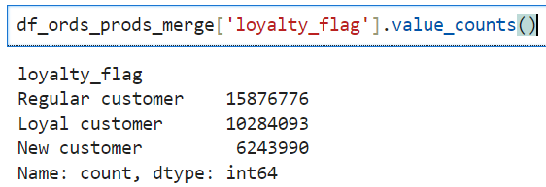

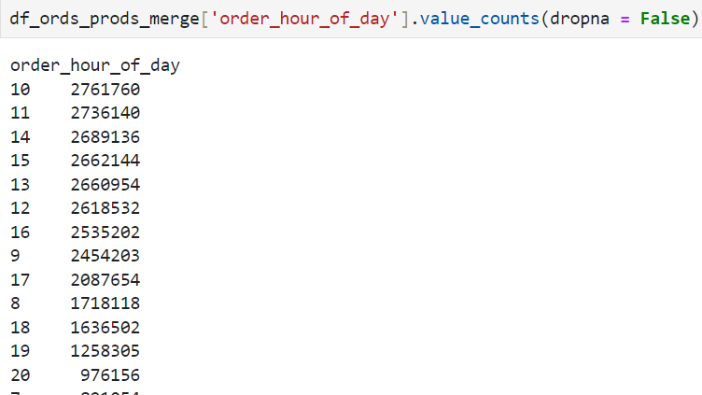

 |  |  |  | Question 4

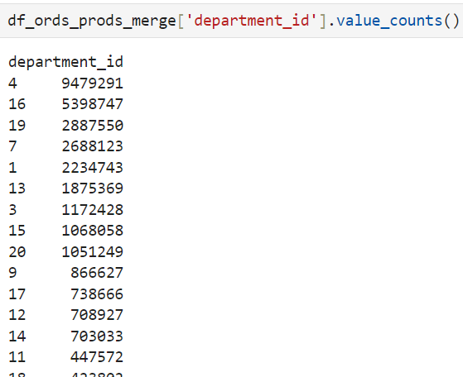

 |  |  |  |  |  |  | Question 6

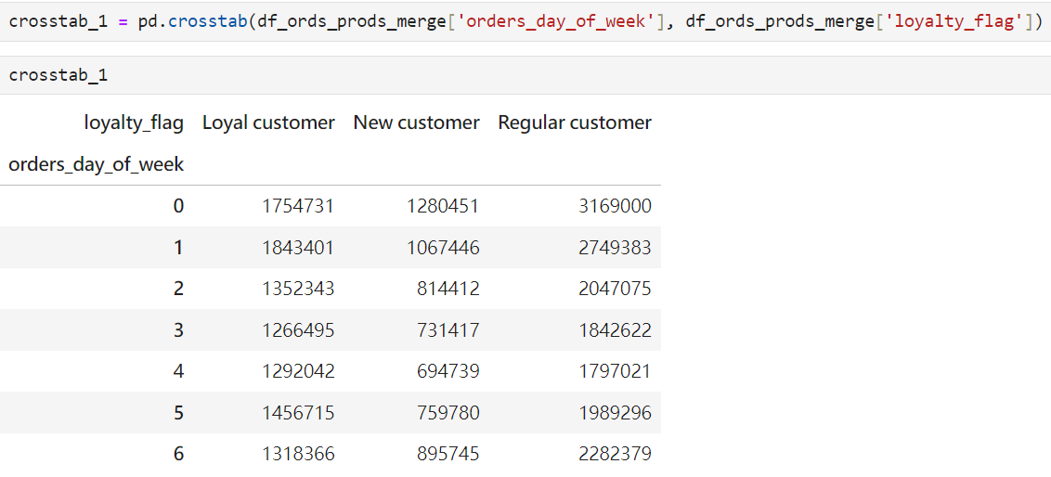

 | Question 3

 | Question 7 |  |  |  | Question 9

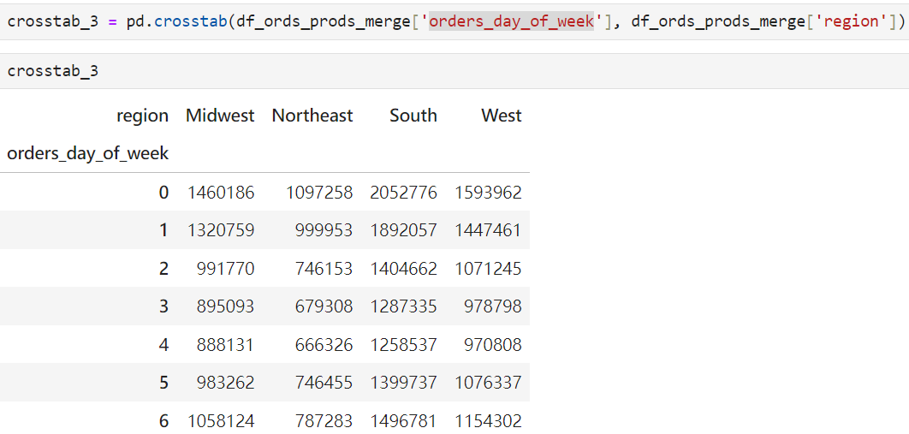

 |  |  |  |  |  | Question 10

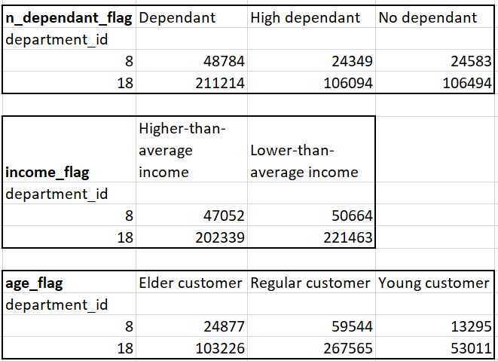
 |  | Question 8

